Sheet1
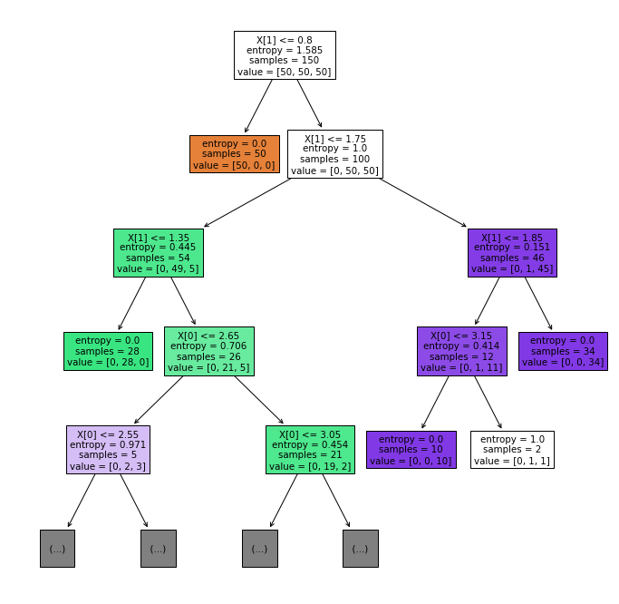
Lab Quiz 2
Question No. | Questions | Answers | Points | Range
Q1 | Paste your decision tree structure plot below （settings of tree was specified as in Q1_plot_tree.py ） |  | 10
Q2-1 | What is the best depth when the decision tree will generate minimum number of errors/mismatch | 5 | 15 | [1,5]
Q2-2 | What is the best depth when the decision tree will generate minimum (number of errors+number of nodes) | 2 | 15 | [1,5]
Q3-1 | Which W(s) will generate the minimum zero-one loss in total on the training data? | (W1,W2,W3) | 20 | W1-W3
Q3-2 | Which W(s) will generate the minimum hinge loss in total on the training data? | W2 | 20 | W1-W3
Q3-3 | Which W(s) will generate the minimum logistic loss in total on the training data? | W1 | 20 | W1-W3
 | Can be multiple choices (1,2,4), or (W1,W3). Same as "Can be multiple choices (W1,W2) or (W1,W3)."

